Calculation results
 |  |  |  |  |  |  |  |  |  |  |  |  |  |  |  | Accumulated return |  |  | Annualised return |  |  | Volatility | Benchmark retunrs |  |  | Benchmark vol | Morningstar Category |  |  |  | Tracking error
 |  | Fund vs BM. 5 year net returns. Fail if alpha<0 | Fund vs peers. 5 year rank in Morningstar peer group. Fail if in 4th quartile | Fund vs BM. 2 year net returns. Fail if alpha<0 | Fund vs peers. 3 year rank in Morningstar peer group. Fail if in 4th quartile | Annualised 2 year tracking error. Fail if >2x peer median TE | Annualised 2 year volatility. Fail if >1.5x BM volatility | Fail if <80% liquid in 21 business days | Fail if not Approved/Investment Grade (Zenith, Lonsec), 3.5 (SQM) or Neutral (Morningstar) or higher | Team (resourcing, skills, stability) | Process (robust, disciplined, governance) | Business (conflicts, support, stability) | Product (viability, fees, capacity, concentration) |  |  | 5 years | 3 years | 2 years | 5 years | 3 years | 2 years | 2 years | 5 years | 3 years | 2 years | 2 years | 5 yr 4th Quartile Cut-off Return: | 3 yr 4th Quartile Cut-off Return: | 2 yr 4th Quartile Cut-off Return: | 2 yr Median tracking error: | 2 years Tracking error
 | Overall Score (out of 100) | 5yr Returns vs BM | 5yr Rank vs Peers | 3yr Returns vs BM | 3yr Rank vs Peers | Tracking Error | Volatility | Liquidity (Underlying) | Ratings | Team | Process | Business | Product |  | 2025-12-31 | 2020-12-31 | 2022-12-31 | 2023-12-31
 |  | 0% | 0% | 20% | 20% | 5% | 5% | 10% | 10% | 10% | 10% | 5% | 5% | Benchmark | Morningstar Peer Group
Aurora 0% Growth | 90% | • | • | • | • | • | • | • | - | • | • | • | • | Morningstar AUS Con Tgt Alloc NR AUD | Australia Fund Multisector Conservative | 117.94% | 117.94% | 110.49% | 3.35% | 5.65% | 5.11% | 1.91% | 1.41% | 4.70% | 4.25% | 2.45% | 2.07% | 5.19% | 4.97% | 1.23% | 0.91%
Aurora 100% Growth Portfolio | 90% | - | • | • | • | • | • | • | - | • | • | • | • | Morningstar AUS Agg Tgt Alloc NR AUD | Australia Fund Multisector Aggressive | 158.28% | 158.28% | 136.90% | 9.62% | 16.54% | 17.01% | 7.23% | 10.45% | 14.80% | 14.47% | 6.88% | 8.65% | 12.52% | 12.08% | 1.60% | 2.26%

 | Green > 60%
 | Amber 50-59% |  |  |  |  |  |  | • | Pass
 | Red < 50% |  |  |  |  |  |  | – | Fail
Please note:
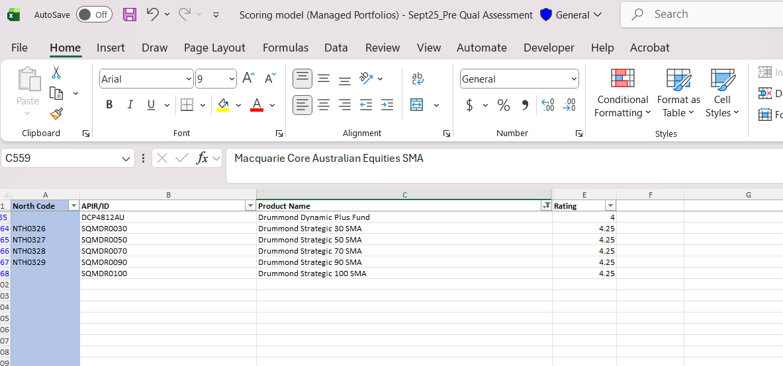
Managed Portfolio scoring weights are defined in Investment Options Charter and Operational Guidelines October 2021.

* Where portfolio's have an absolute return target tracking error score cannot be calculated. In these cases the Volatiliy weight doubles and increases from 5% to 10%
^ For portfolio's that do not have 5 yr track record the performance weighting of 2/3 years doubles from 10% to 20%.

Investment Perf His
Portfolio Name | Date | Paste series below
Aurora 0% Growth | 2023-01-31 | 2.29%
Aurora 0% Growth | 2023-02-28 | -0.76%
Aurora 0% Growth | 2023-03-31 | 1.47%
Aurora 0% Growth | 2023-04-30 | 0.40%
Aurora 0% Growth | 2023-05-31 | -0.64%
Aurora 0% Growth | 2023-06-30 | -0.96%
Aurora 0% Growth | 2023-07-31 | 0.61%
Aurora 0% Growth | 2023-08-31 | 0.70%
Aurora 0% Growth | 2023-09-30 | -0.61%
Aurora 0% Growth | 2023-10-31 | -0.67%
Aurora 0% Growth | 2023-11-30 | 2.27%
Aurora 0% Growth | 2023-12-31 | 2.53%
Aurora 0% Growth | 2024-01-31 | 0.31%
Aurora 0% Growth | 2024-02-29 | -0.03%
Aurora 0% Growth | 2024-03-31 | 1.09%
Aurora 0% Growth | 2024-04-30 | -0.92%
Aurora 0% Growth | 2024-05-31 | 0.55%
Aurora 0% Growth | 2024-06-30 | 0.63%
 | #REF!
1/31/2023 | 2.29%
2/28/2023 | -0.76%
3/31/2023 | 1.47%
4/30/2023 | 0.40%
5/31/2023 | -0.64%
6/30/2023 | -0.96%
7/31/2023 | 0.61%
8/31/2023 | 0.70%
9/30/2023 | -0.61%
10/31/2023 | -0.67%
11/30/2023 | 2.27%
12/31/2023 | 2.53%
1/31/2024 | 0.31%
2/29/2024 | -0.03%
3/31/2024 | 1.09%
4/30/2024 | -0.92%
5/31/2024 | 0.55%
6/30/2024 | 0.63%
7/31/2024 | 1.48%
8/31/2024 | 0.87%
9/30/2024 | 0.66%
10/31/2024 | -0.78%
11/30/2024 | 1.00%
12/31/2024 | 0.56%
1/31/2025 | 0.51%
2/28/2025 | 0.84%
3/31/2025 | 0.08%
4/30/2025 | 0.78%
5/31/2025 | 0.14%
6/30/2025 | 0.78%
7/31/2025 | 0.27%
8/31/2025 | 0.52%
9/30/2025 | 0.36%
10/31/2025 | 0.55%
11/30/2025 | -0.18%
12/31/2025 | -0.05%
1/31/2023 | 4.21%
2/28/2023 | 0.05%
3/31/2023 | 0.93%
4/30/2023 | 2.78%
5/31/2023 | -0.62%
6/30/2023 | 2.10%
7/31/2023 | 2.66%
8/31/2023 | 0.33%
9/30/2023 | -3.56%
10/31/2023 | -2.09%
11/30/2023 | 4.16%
12/31/2023 | 4.01%
1/31/2024 | 1.82%
2/29/2024 | 3.56%
...
Aurora 0% Growth | 2024-07-31 | 1.48%
Aurora 0% Growth | 2024-08-31 | 0.87%
Aurora 0% Growth | 2024-09-30 | 0.66%
Aurora 0% Growth | 2024-10-31 | -0.78%
Aurora 0% Growth | 2024-11-30 | 1.00%
Aurora 0% Growth | 2024-12-31 | 0.56%
Aurora 0% Growth | 2025-01-31 | 0.51%
Aurora 0% Growth | 2025-02-28 | 0.84%
Aurora 0% Growth | 2025-03-31 | 0.08%
Aurora 0% Growth | 2025-04-30 | 0.78%
Aurora 0% Growth | 2025-05-31 | 0.14%
Aurora 0% Growth | 2025-06-30 | 0.78%
Aurora 0% Growth | 2025-07-31 | 0.27%
Aurora 0% Growth | 2025-08-31 | 0.52%
Aurora 0% Growth | 2025-09-30 | 0.36%
Aurora 0% Growth | 2025-10-31 | 0.55%
Aurora 0% Growth | 2025-11-30 | -0.18%
Aurora 0% Growth | 2025-12-31 | -0.05%
Aurora 100% Growth Portfolio | 2023-01-31 | 4.21%
Aurora 100% Growth Portfolio | 2023-02-28 | 0.05%
Aurora 100% Growth Portfolio | 2023-03-31 | 0.93%
Aurora 100% Growth Portfolio | 2023-04-30 | 2.78%
Aurora 100% Growth Portfolio | 2023-05-31 | -0.62%
Aurora 100% Growth Portfolio | 2023-06-30 | 2.10%
Aurora 100% Growth Portfolio | 2023-07-31 | 2.66%
Aurora 100% Growth Portfolio | 2023-08-31 | 0.33%
Aurora 100% Growth Portfolio | 2023-09-30 | -3.56%
Aurora 100% Growth Portfolio | 2023-10-31 | -2.09%
Aurora 100% Growth Portfolio | 2023-11-30 | 4.16%
Aurora 100% Growth Portfolio | 2023-12-31 | 4.01%
Aurora 100% Growth Portfolio | 2024-01-31 | 1.82%
Aurora 100% Growth Portfolio | 2024-02-29 | 3.56%
Aurora 100% Growth Portfolio | 2024-03-31 | 3.81%
Aurora 100% Growth Portfolio | 2024-04-30 | -2.61%
Aurora 100% Growth Portfolio | 2024-05-31 | 0.98%
Aurora 100% Growth Portfolio | 2024-06-30 | 0.14%
Aurora 100% Growth Portfolio | 2024-07-31 | 4.64%
Aurora 100% Growth Portfolio | 2024-08-31 | -0.60%
Aurora 100% Growth Portfolio | 2024-09-30 | 2.11%
Aurora 100% Growth Portfolio | 2024-10-31 | 1.61%
Aurora 100% Growth Portfolio | 2024-11-30 | 3.83%
Aurora 100% Growth Portfolio | 2024-12-31 | -0.80%
Aurora 100% Growth Portfolio | 2025-01-31 | 2.94%
Aurora 100% Growth Portfolio | 2025-02-28 | -1.11%
Aurora 100% Growth Portfolio | 2025-03-31 | -2.58%
Aurora 100% Growth Portfolio | 2025-04-30 | 0.36%
Aurora 100% Growth Portfolio | 2025-05-31 | 5.02%
Aurora 100% Growth Portfolio | 2025-06-30 | 2.02%
Aurora 100% Growth Portfolio | 2025-07-31 | 2.28%
Aurora 100% Growth Portfolio | 2025-08-31 | 2.26%
Aurora 100% Growth Portfolio | 2025-09-30 | 1.30%
Aurora 100% Growth Portfolio | 2025-10-31 | 1.63%
Aurora 100% Growth Portfolio | 2025-11-30 | -0.26%
Aurora 100% Growth Portfolio | 2025-12-31 | -0.25%

